ITC-082809
Foster Lab -- ITC Sample Prep Calculator v. 12/08/16 Fill in green boxes with your project-specific information. Read out calculated values in yellow boxes.

 | INPUT |  | OUTPUT
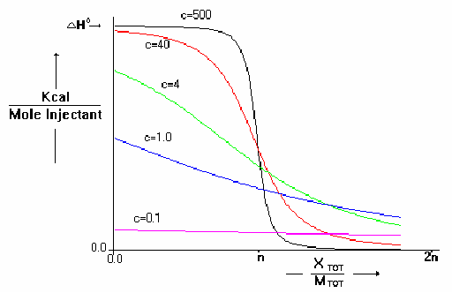
Name | Originally created by Dr. Ian Kleckner
Date | 12/8/2016
Notes | Contact Aparna Unnikrishnan for ITC training
Macromolecule
Sample Name | Protein
Sample MW | 8284.4 |  | g/mol
Sample notes
Ligand
Sample Name | Ligand
Sample MW | 204 |  | g/mol
Sample notes

Parameter | Value for VP-ITC | Value for ITC200 | Units | Recommendation | Notes
Expected Binding affinity Kd | 3.52e-07 | 3e-06 | M | Varies
Num binding sites (n) | 1 | 1 | - | Usually 1

Stock Macromolecule concentration [M] | 7.5e-05 | 0.00015 | M | Varies
c-value | 213.07 | 50.00 | - | ideally 10 to 100

Ideal c-value | 50 | 50 | - | 10 to 100
Ideal Final Macromolecule concentration [M] | 1.76e-05 | 0.00015 | M | Varies

Stock Ligand concentration [L] | 0.00017 | 0.0017 | M
Macromolecule concentration [M] - enter same as C26 or D26 | 2.1e-05 | 0.00015 | M
Num binding sites (n) | 1 | 1 | - | Usually 1
Molar binding enthalpy ΔH | -17 | -20 | kCal/mol

Active cell volume | 1.4166 | 0.2000 | mL | 1.4166 mL for VP and 200uL for ITC200
Total syringe volume titrated | 285.00 | 35.00 | uL | 285 uL for VP-ITC and 35 uL for ITC200
Volume per injection | 5 | 1 | uL | 3-15 uL for VP-ITC and 0.5-2 ul for ITC200
Injection spacing | 400 | 120 | sec | At least 50 sec per uL injected

Final molar ratio [L] / [BindSites] | 1.63 | 1.9833333333 | - | Ideally 1.5-3
Num injections | 57 | 35 | - | At least 15
Total experiment time | 6.33 | 1.17 | hrs | Additional time for washing steps
Total heat evolved from first injection | -14.45 | -34 | uCal | varies

Num temperatures | 4 | 4 | temps | At least 1
Num repeats per temperature | 3 | 3 | repeats | At least 1

Volume of macromolecule per experiment | 2.30 | 0.40 | mL | 2 mL for VP ITC and 0.4ml for ITC200
Total volume of macromolecule | 27.60 | 4.80 | mL
Total macromolecule required | 4.80 | 5.96 | mg

Volume of ligand per experiment | 0.50 | 0.05 | mL | 0.5 mL for VP-ITC and 50uL for ITC200
Total volume of ligand | 6.00 | 0.60 | mL
Total ligand required | 0.21 | 0.21 | mg

